Worksheet
 | Product code | Description | Quantity | Packed
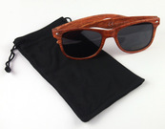 | OKUL.1057374 | sunglasses in a black bag, plastic, packed on a blister size 19 x 13 cm, UV 400 | 5315
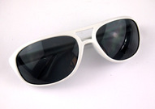 | MO8273-06 | sunglasses, white frame, plastic, UV 400, should not be used while driving | 3657 | 250
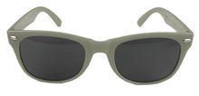 | 66720.12 | sunglasses, grey frame, plastic, UV 400 | 453 | 250
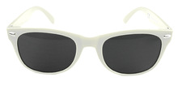 | 66720.16 | sunglasses, white frame, plastic, UV 400 | 2390 | 250
 | 10034503K-TTH | sunglasses, ecru frame, plastic, UV 400 | 8926 | 300
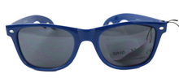 | 10042501TCS | sunglasses with bottle opener in temples, dark blue frame, plastic, UV 400, 12 pcs packed in cardboard box with dimensions 29.5 x 38 x 4.5 cm | 2268 | 240
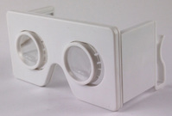 | MO9069-06/10206960 | Foldable VR glasses, white, dimensions: 13.5 x 7 x 1.5 cm | 7231 | 20
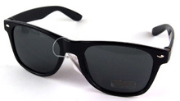 | ARA29 | Sunglasses, various designs, 400 UV | 805
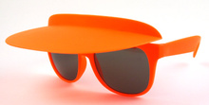 | 10044104TTP | Sunglasses with an adjustable visor, frame color: orange. UV400. Width: 14 cm, length: 14.5 cm, length with a visor: 20 cm | 263 | 240
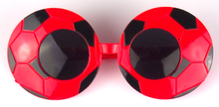 | 1005 | Football sunglasses, mix of 2 colors: red, orange. Width: 15 cm | 7434 | 500
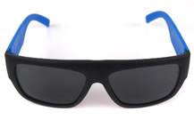 | 10050301TTA | Sunglasses, color: black and blue, width: 14 cm, UV 400 | 3279
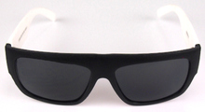 | 10050300TTA | Sunglasses, color: black and white, width: 14 cm, UV 400 | 4029
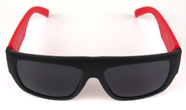 | 10050302TTA | Sunglasses, color: black and red, width: 14 cm, UV 400 | 1431
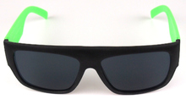 | 10050303TTA | Sunglasses, color: black and green, width: 14 cm, UV 400 | 2500
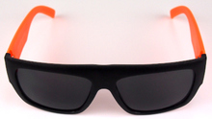 | 10050304TTA | Sunglasses, color: black and orange, width: 14 cm, UV 400 | 3463
All |  |  | 53444

